Workout
Accounting and Financial Analysis

Workout
 | Calculate EBIT and EBITDA in both years.
 | Where no details are given assume other operating items are recurring.

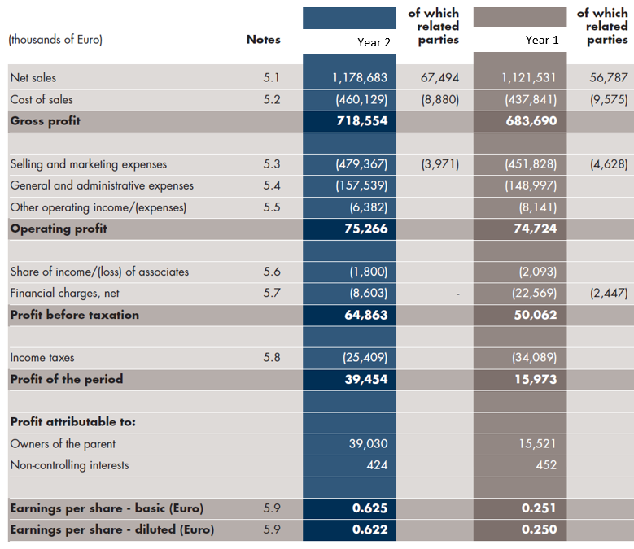

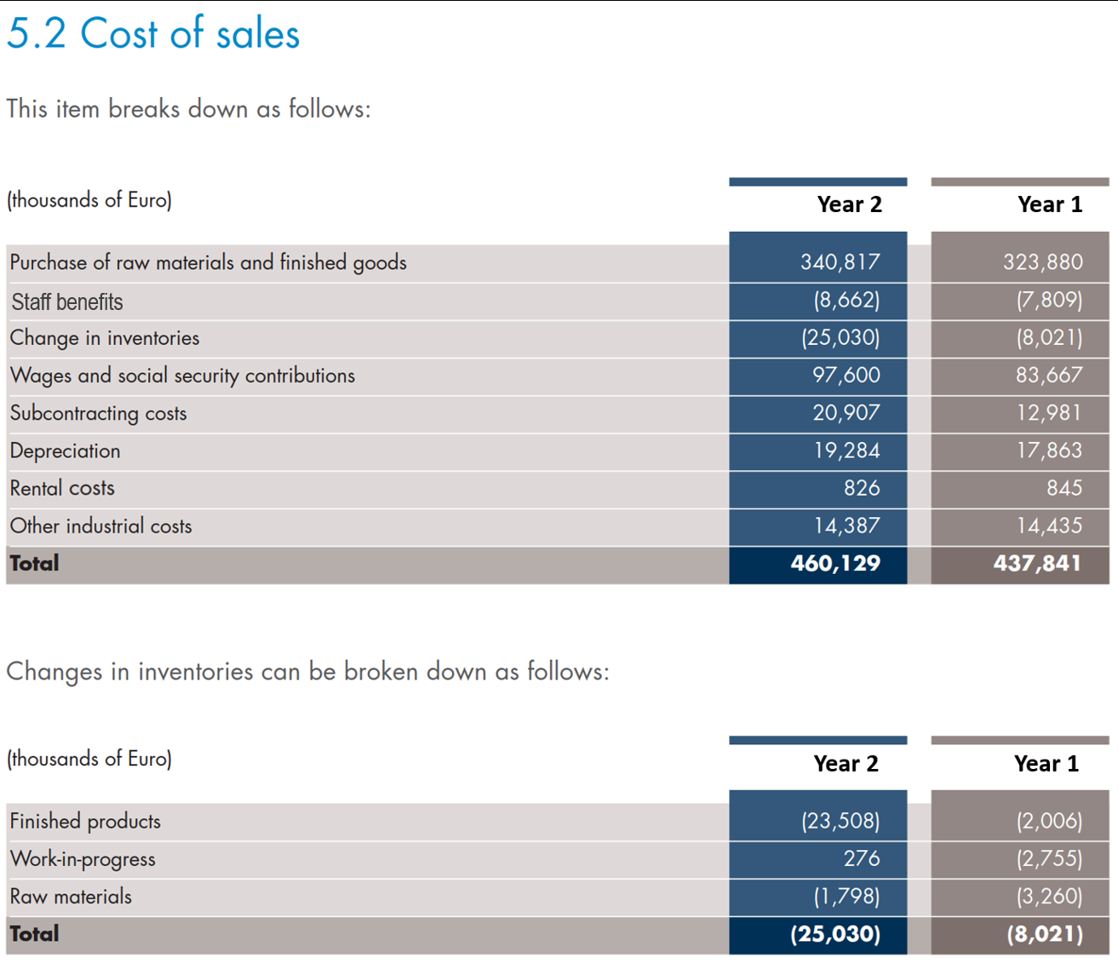

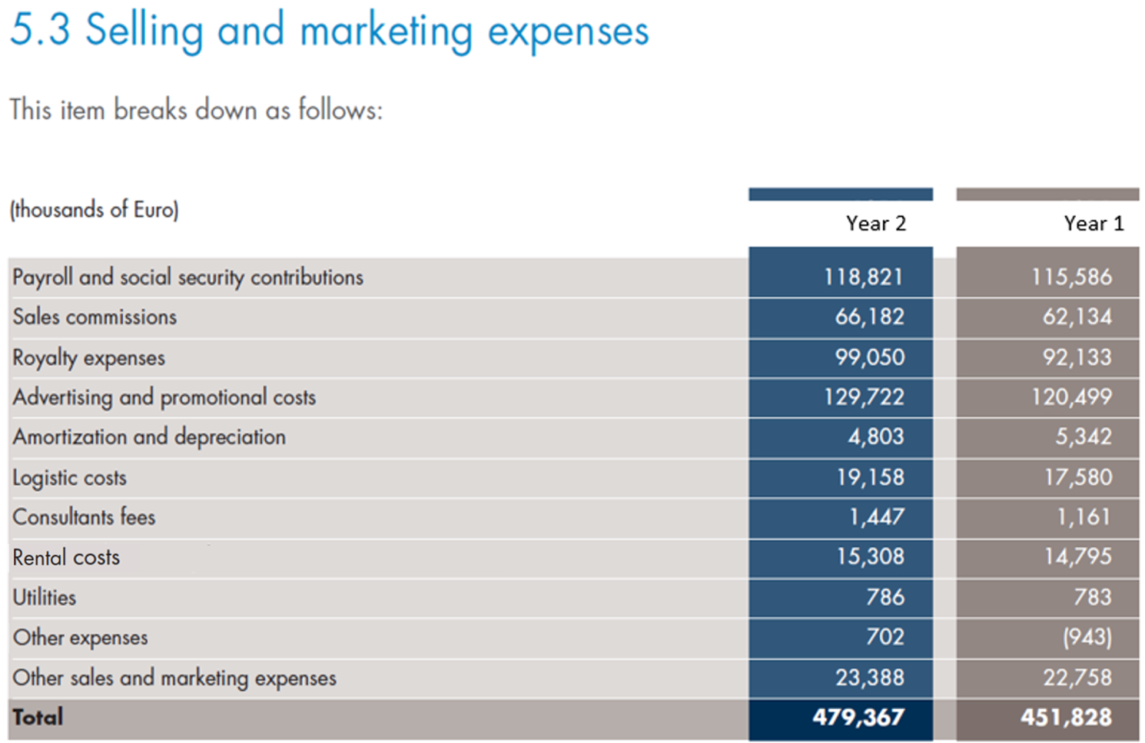

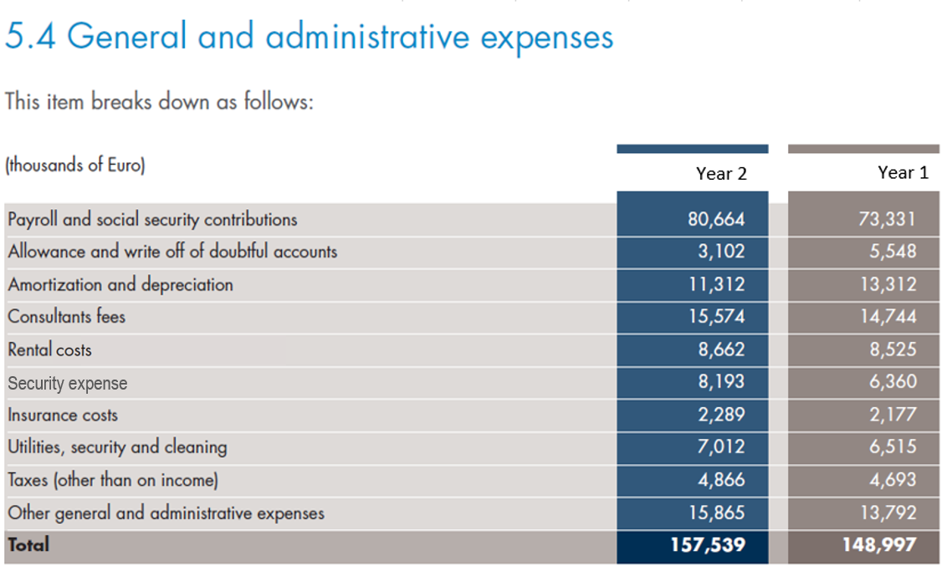

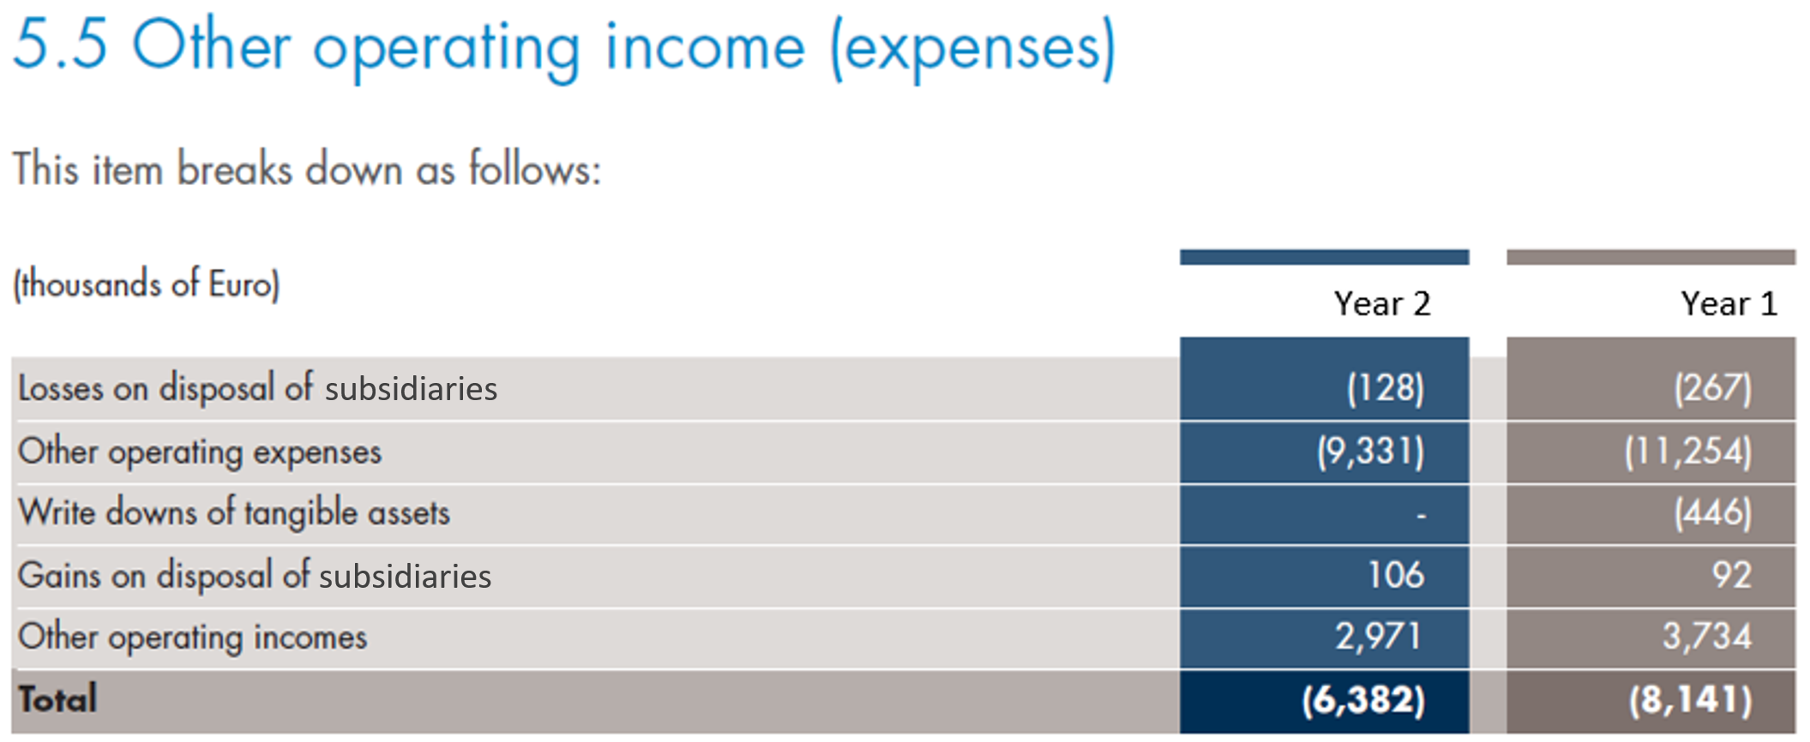

 |  | Year 2 | Year 1
 | Operating profit | 75,266.0 | 74,724.0
 | Losses on disposal of subsidiaries | 128.0 | 267.0
 | Write down of tangible assets | 0.0 | 446.0
 | Gains on disposal of subsidiaries | (106.0) | (92.0)
 | EBIT | 75,288.0 | 75,345.0
 | Depreciation in cost of sales | 19,284.0 | 17,863.0
 | Amortization and depreciation in selling and marketing | 4,803.0 | 5,342.0
 | Amortization and depreciation in general and admin | 11,312.0 | 13,312.0
 | EBITDA | 110,687.0 | 111,862.0

End

